Sheet1
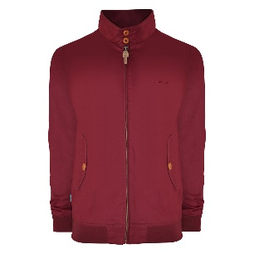
LYDONFORD LTD T/A SKI & SPORT STANDARD PRICE LIST
 | GROUP DESC | STOCK CODE | STOCK DESC | SIZE | FREE STOCK | RRP | EAN | COMMODITY CODE | COUNTRY OF ORIGIN
 | lambretta | 5000205585697 | RGB Harrington Jacket Burgundy | S | 214 | £80.00 | 5000205585697 | 62033290 | LK
 | lambretta | 5000205585703 | RGB Harrington Jacket Burgundy | M | 236 | £80.00 | 5000205585703 | 62033290 | LK
 | lambretta | 5000205585710 | RGB Harrington Jacket Burgundy | L | 511 | £80.00 | 5000205585710 | 62033290 | LK
 | lambretta | 5000205585727 | RGB Harrington Jacket Burgundy | XL | 132 | £80.00 | 5000205585727 | 62033290 | LK
 | lambretta | 5000205585734 | RGB Harrington Jacket Burgundy | 2XL | 132 | £80.00 | 5000205585734 | 62033290 | LK
 | lambretta | 5000205585764 | RGB Harrington Jacket Burgundy | 4XL | 62 | £80.00 | 5000205585764 | 62033290 | LK

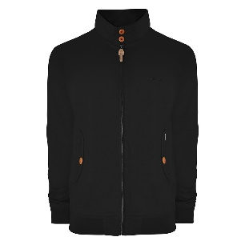 | lambretta | 5000205585819 | RGB Harrington Jacket Black | S | 24 | £80.00 | 5000205585819 | 62033290 | LK

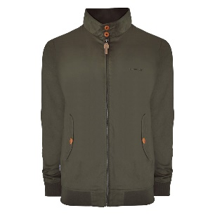 | lambretta | 5000205585871 | RGB Harrington Jacket Khaki | S | 459 | £80.00 | 5000205585871 | 62033290 | LK
 | lambretta | 5000205585888 | RGB Harrington Jacket Khaki | M | 462 | £80.00 | 5000205585888 | 62033290 | LK
 | lambretta | 5000205585895 | RGB Harrington Jacket Khaki | L | 613 | £80.00 | 5000205585895 | 62033290 | LK
 | lambretta | 5000205585901 | RGB Harrington Jacket Khaki | XL | 340 | £80.00 | 5000205585901 | 62033290 | LK
 | lambretta | 5000205585918 | RGB Harrington Jacket Khaki | 2XL | 14 | £80.00 | 5000205585918 | 62033290 | LK
 | lambretta | 9900096537912 | RGB Harrington Jacket Khaki | 4XL | 43 | £80.00 | 9900096537912 | 62033290 | LK

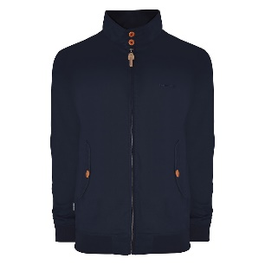 | lambretta | 5000205585635 | RGB Harrington Jacket Navy | S | 507 | £80.00 | 5000205585635 | 62033290 | LK
 | lambretta | 5000205585642 | RGB Harrington Jacket Navy | M | 219 | £80.00 | 5000205585642 | 62033290 | LK
 | lambretta | 5000205585659 | RGB Harrington Jacket Navy | L | 207 | £80.00 | 5000205585659 | 62033290 | LK
 | lambretta | 5000205585712 | RGB Harrington Jacket Navy | 4XL | 44 | £80.00 | 5000205585712 | 62033290 | LK

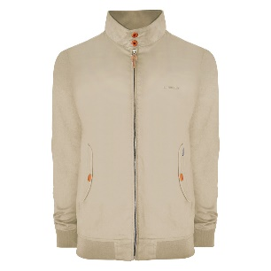 | lambretta | 5000205621678 | RGB Harrington Jacket Stone | S | 19 | £80.00 | 5000205621678 | 62033290 | LK
 | lambretta | 5000205621739 | RGB Harrington Jacket Stone | 4XL | 27 | £80.00 | 5000205621739 | 62033290 | LK
 |  |  |  |  | 4265

